pivot
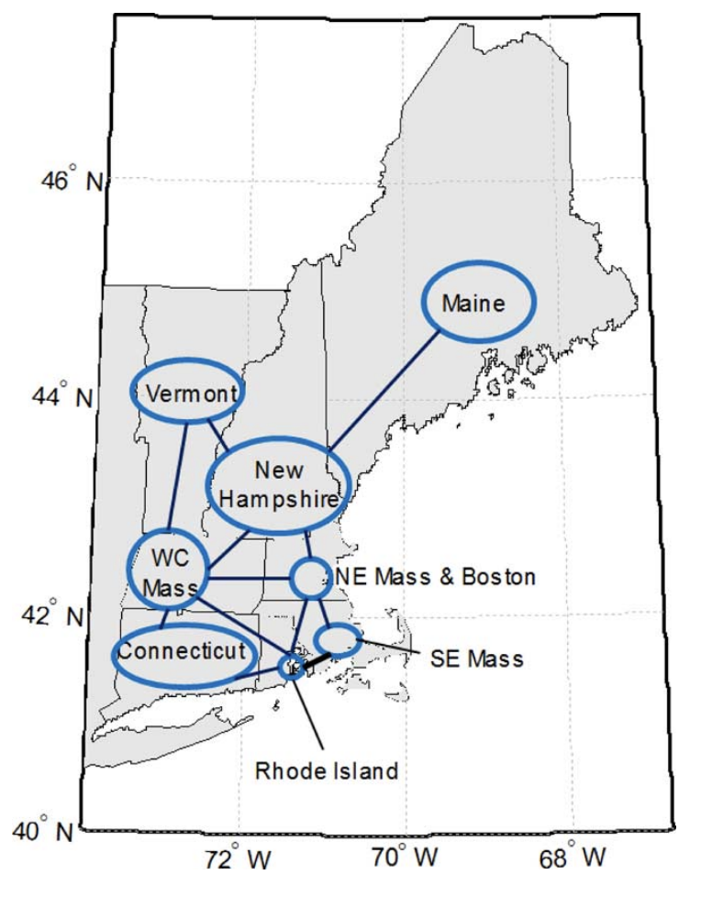
OSW units | Location | First Online | Initial Installed Capacity | 2016 | 2023 | 2024 | 2025 | 2026 | 2027 | 2028 | 2029 | 2030 | 2035 | 2040 | Location | Location | Remarks
New England Aqua Ventus I | ME | 2024 | 12 |  |  | 12 | 12 | 12 | 12 | 12 | 12 | 12 | 12 | 12 | ME1 |  | Not connected to main grid
Yarmouth | ME | 2035 | 961 |  |  |  |  |  |  |  |  |  | 961 | 1200 | ME2
Orrington | ME | 2040 | 1200 |  |  |  |  |  |  |  |  |  |  | 1200 | ME1
Surowiec | ME | 2040 | 675 |  |  |  |  |  |  |  |  |  |  | 675 | ME2
Seabrook | NH | 2035 | 231 |  |  |  |  |  |  |  |  |  | 231 | 904 | NH1
Tewksbury | NEMA | 2035 | 143 |  |  |  |  |  |  |  |  |  | 143 | 919 | NEMA1
Mystic | NEMA | 2035 | 1200 |  |  |  |  |  |  |  |  |  | 1200 | 1200 | NEMA1
K Street | NEMA | 2035 | 1200 |  |  |  |  |  |  |  |  |  | 1200 | 1200 | NEMA1 |  |  | Row Labels | Sum of Initial Installed Capacity
Ward Hill | NEMA | 2040 | 1200 |  |  |  |  |  |  |  |  |  |  | 1200 | NEMA1 |  |  | CT | 472
Vineyard Wind (Barnstable) | SEMA | 2024 | 832 |  |  | 832 | 832 | 832 | 832 | 832 | 832 | 832 | 832 | 832 | SEMA1 |  |  | 2035 | 472
Mayflower Wind (Bourne) | SEMA | 2025 | 804 |  |  |  | 804 | 804 | 804 | 804 | 804 | 804 | 804 | 804 | SEMA1 |  |  | ME | 2848
Mayflower Wind 2 | SEMA | 2025 | 400 |  |  |  | 400 | 400 | 400 | 400 | 400 | 400 | 400 | 400 | SEMA1 |  |  | 2024 | 12
Park City Wind (West Barnstable) | SEMA | 2025 | 838 |  |  |  | 838 | 838 | 838 | 838 | 838 | 838 | 838 | 838 | SEMA1 |  |  | 2035 | 961
Commonwealth Wind | SEMA | 2027 | 1232 |  |  |  |  |  | 1232 | 1232 | 1232 | 1232 | 1232 | 1232 | SEMA1 |  |  | 2040 | 1875
Beacon Wind 1 | SEMA | 2028 | 1230 |  |  |  |  |  |  | 1230 | 1230 | 1230 | 1230 | 1230 | SEMA1 |  |  | NEMA | 3743
Brayton Point | SEMA | 2035 | 1130 |  |  |  |  |  |  |  |  |  | 1130 | 1130 | SEMA1 |  |  | 2035 | 2543
Pilgrim | SEMA | 2040 | 1200 |  |  |  |  |  |  |  |  |  |  | 1200 | SEMA1 |  |  | 2040 | 1200
Block Island Wind | RI | 2016 | 29 | 29 | 29 | 29 | 29 | 29 | 29 | 29 | 29 | 29 | 29 | 29 | RI1 | 41.114722, -71.521111 |  | NH | 231
South Fork Wind Farm | RI | 2024 | 132 |  | 132 | 132 | 132 | 132 | 132 | 132 | 132 | 132 | 132 | 132 | RI1 | 41.102359964656635, -71.31121167268601 | Powering NY state | 2035 | 231
Revolution Wind (Davisville) | RI | 2024 | 724 |  |  | 724 | 724 | 724 | 724 | 724 | 724 | 724 | 724 | 724 | RI1 |  |  | RI | 3436
Sunrise Wind 1 | RI | 2025 | 924 |  |  |  | 924 | 924 | 924 | 924 | 924 | 924 | 924 | 924 | RI1 |  |  | 2016 | 29
West Farnum | RI | 2035 | 885 |  |  |  |  |  |  |  |  |  | 885 | 1200 | RI1 |  |  | 2024 | 856
Kent County | RI | 2040 | 742 |  |  |  |  |  |  |  |  |  |  | 742 | RI1 |  |  | 2025 | 924
Montville | CT | 2035 | 472 |  |  |  |  |  |  |  |  |  | 472 | 636 | CT1 |  |  | 2035 | 885
New offshore units coming online through 2040
 |  |  |  |  |  |  |  |  |  |  |  |  |  |  |  |  |  | 2040 | 742
 |  |  |  |  |  |  |  |  |  |  |  |  |  |  |  |  |  | SEMA | 7666
 |  |  |  |  |  |  |  |  |  |  |  |  |  |  |  |  |  | 2024 | 832
 |  |  |  |  |  |  |  |  |  |  |  |  |  |  |  |  |  | 2025 | 2042
 |  |  |  |  |  |  |  |  |  |  |  |  |  |  |  |  |  | 2027 | 1232
 |  |  |  |  |  |  |  |  |  |  |  |  |  |  |  |  |  | 2028 | 1230
 |  |  |  |  |  |  |  |  |  |  |  |  |  |  |  |  |  | 2035 | 1130
 |  |  |  |  |  |  |  |  |  |  |  |  |  |  |  |  |  | 2040 | 1200
 |  |  |  |  |  |  |  |  |  |  |  |  |  |  |  |  |  | Grand Total | 18396

